Sheet1
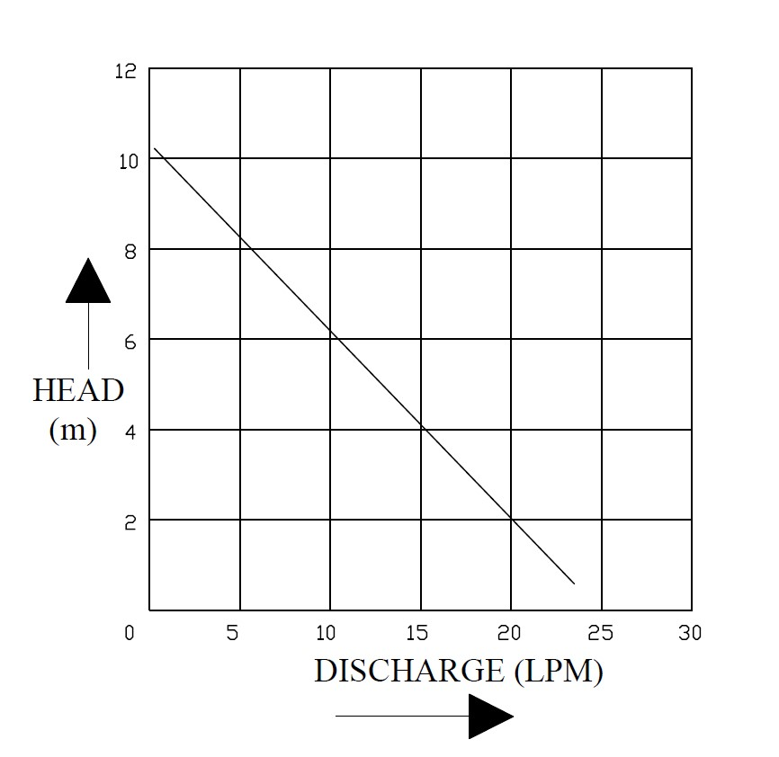
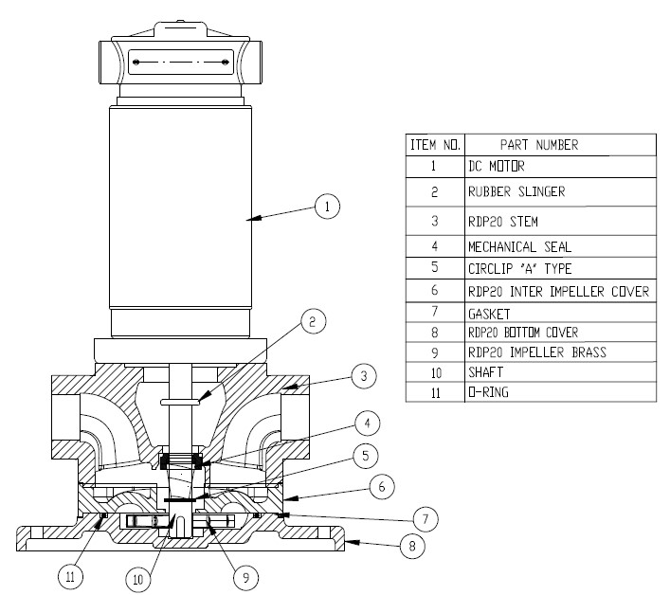
Model: | RDP20 DC |  |  | Speciality (if Any):
 |  |  |  | Special Code: |  | NA
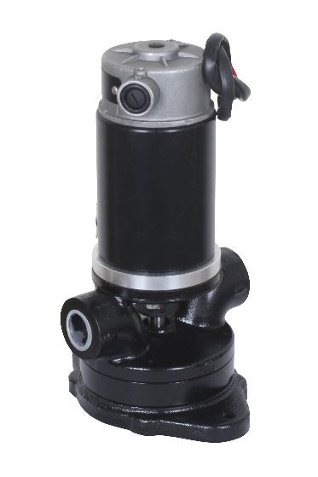 |  |  |  | Description of Speciality
 |  |  |  | DEVELOPED FOR PUMPING OF DIESEL

Technical Data
Power (kW) |  | 0.14 KW | Rated Current (A) |  | 5.8
Voltage (V) |  | 24 DC | Efficiency Level |  | NA
Frequency (Hz) |  | NA | Insulation Class |  | B
RPM |  | 3000 | Duty |  | S1
Inlet / Outlet Size |  | 3/4" / 3/4" | Flow (LPM) @Head(M) |  | 20 LPM AT 2 M
Material Of Construction
Impeller |  | BRASS | Mechanical seal |  | RTH SLIDING RING M2
Impeller cover |  | CAST IRON | Bush Bearings |  | NA
Stem (pump body) |  | CAST IRON | Shaft |  | SS410
Operating conditions
Max Ambient Temp. |  | 40 | Installation |  |  | VERTICAL
Max. Liquid Temp |  | 40 | Suction |  |  | SIDE
Max On/Off Cycle |  | 20 / Hr | Max. Viscocity (for given motor rating) |  |  | 90 CST
(Please Check with factory for more information on this)
Dimensional Details
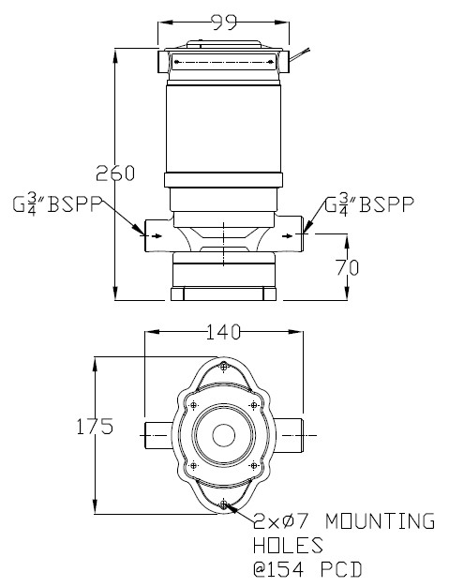

HQ Performance Curve

